1. Creating a New Comp Plan
Creating a New Comp Plan
Follow the below instructions each year to update create a new comp plan for the applicable year

1 | Go to Compensation Home, Previous Year's Comp Plan and hit the Copy Plan button

2 | Name template for the applicable year (remember this is what will post on associate's associate profile when compensation statements are pulled),
 | enter the Fiscal Year End Date, and hit the Copy button

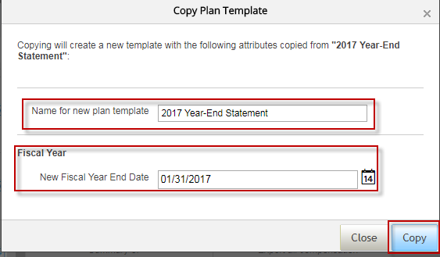

Updating Backend Comp Plan Fields in Comp Module
Follow the below instructions each year to update backend comp plan fields and labels for the applicable year's comp plan

1 | Go to Applicable Year’s Plan>Plan Setup>Design Worksheet
2 | Here you will see all the backend field setups. Comp Plan has already been mapped to the UDF files
 | we send over to SuccessFactors and data will automatically update for the applicable year.
 |  | -Any changes to mapping will involved working with a developer/IS&T resource
3 | Title headers will need to be adjusted to the correct year once you have copied the comp plan template from the previous year.
 |  | -To adjust the column headers click on the Column field name, adjust the text under the Column Name section and hit the Save button.
 |  | (i.e. change 2016 Rating to 2017 Rating for the current year's letter rating)

4 | To create a New Custom Column click the Add Column button and select Custom
 |  | -Any changes that involve mapping data over from PS/SF files to the Comp Plans will require a developer/IS&T resource
 |  | -Administrators have the ability to create custom columns that either utilize 1) Formulas or 2) Custom Import information
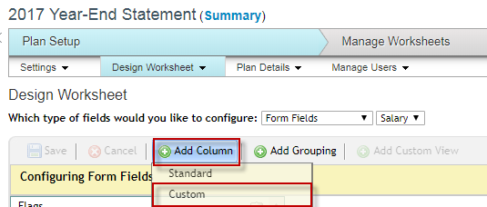

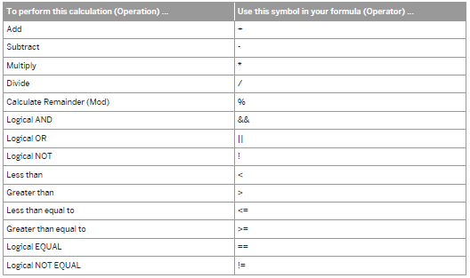
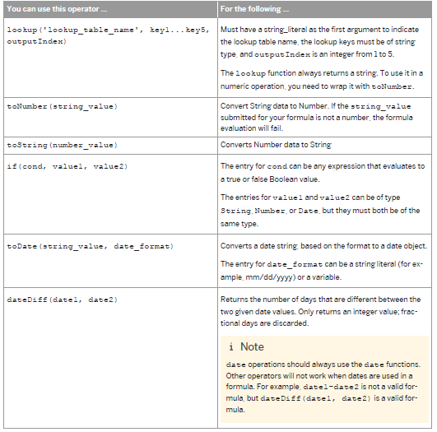
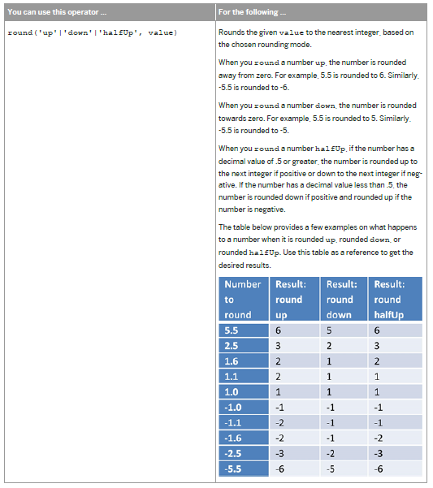
4a | Creating a custom column with formulas:
 |  | -Column Name: Enter the column text visible to the end user here |  |  | Formula Examples:
 |  | -Read Only: Select Yes (only select no when the column is an entry be the end user/HRBP on the Comp Plan)
 |  | -Column Type: Depending on the formula you are creating select the appropriate format (i.e. money, percent, etc)
 |  |  | -If select column type as Money select Money Format as default
 |  | -Formula: Enter your formula in this section. Formulas can be simple and adding 2 column amounts together
 |  |  | (i.e. Merit Column + Current Salary for proposed salary w/ merit) or more complex such as an IF stmt.
 |  |  | For formula examples and function see the SuccessFactors examples to the right.
 |  |  | You can also leverage other more complex formulas already written in the Comp Plan such as Position in Range.
 |  | -Other Options: You will need to evaluate for each custom formula column scenario but many utilize the below sections:
 |  |  | -Hide this Column on the Form
 |  |  | -Reportable
 |  |  | -Exportable Hidden Column
 |  | -Column ID: Assign column ID text (no spaces)

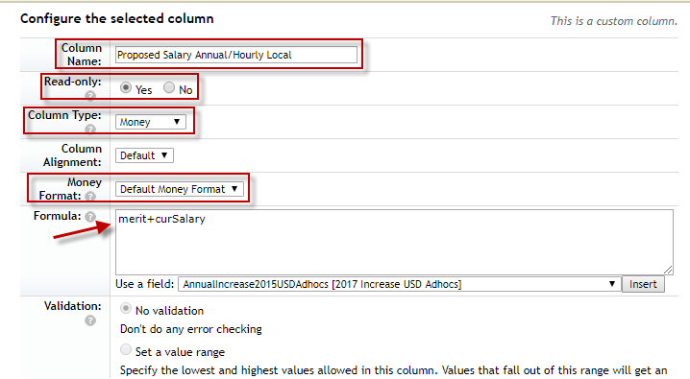



4b | Creating a custom import column:
 |  | -Column Name: Enter the column text visible to the end user here
 |  | -Read Only: Select Yes (only select no when the column is an entry be the end user/HRBP on the Comp Plan)
 |  | -Column Type: Depending on the formula you are creating select the appropriate format (i.e. money, percent, etc)
 |  | -Other Options: You will need to evaluate for each custom formula column scenario but many utilize the below sections:
 |  |  | -Hide this Column on the Form
 |  |  | -Reloadble (this will allow you to continue to import information as needed)
 |  |  | -Reportable
 |  |  | -Exportable Hidden Column
 |  |  | -Column ID: Assign column ID text (no spaces)
 |  |  | -Column ID: Assign the same text as Column ID here (no spaces).This will be used as the header for your custom
 |  |  | imports of information
 |  |  |  | -You will be able to import information to the Comp Plan at any step until Completion

2. Salary Range Instructions
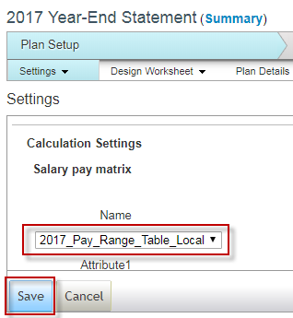
Updating Salary Structures in Comp Module
Follow the below instructions each year to update salary range data and associate with the applicable year's comp plan

1 | Go to Compensation Home>Actions for All Plans>Salary Plans>Salary Ranges
2 | To create a new table for the applicable year enter Name, Description, ensure In local currency is selected and hit the Create button

3 | Create your Salary Range file as a csv based on salary range import file template (see file headers/explanation on the next tab)

 | #Currency | PayGrade | MinPay | MidPay | MaxPay | Promotable | Attribute1 | Attribute2 | Attribute3
 | AUD | 1 | 35600 | 48000 | 60400 | TRUE | ANNUAL | AUS | 1

4 | Click on the new salary range table created, select and import your csv file with salary range data and select Replace all existing pay guides.

5 | Next you must ensure the salary range table you've created is associated with the applicable year's comp plan.
 | Go to the Applicable comp plan>Settings>Calculation Settings>Salary Pay Matrix

6 | Select the applicable year salary range table you've just created and hit save

3. Currency Convs Instructions
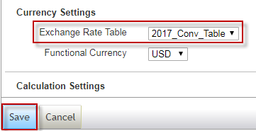
Updating Currency Conversion Rates in Comp Module
Follow the below instructions each year to update currency conversion rates with the applicable year's comp plan

1 | Go to Actions for All Plans>All Plans>Currency Conversion Tables
2 | To create a new table for the applicable year enter Name, Description and hit the Create button

3 | Create your currency conversion file as a csv based on currency conversion import file template.
 | You will need to create a line of data for all local currencies to convert back to USD
 | Ensure you are using FY18 budgeted rates from finance (come in Jan 2018)

 | AUD | USD | 0.72
 | CAD | USD | 0.71
 | CZK | USD | 0.04
 | EUR | USD | 1.04

4 | Click on the new currency conversion table created, select and import your csv file with currency convs data and select Import

5 | Next you must ensure the currency conversion table you've created is associated with the applicable year's comp plan.
 | Go to the Applicable comp plan>Settings>Currency Settings>Salary Pay Matrix

6 | Select the applicable year currency conversion table you've just created and hit save
 | Functional Currency will always remain USD

4. Comp Vari Pay Lookup Table
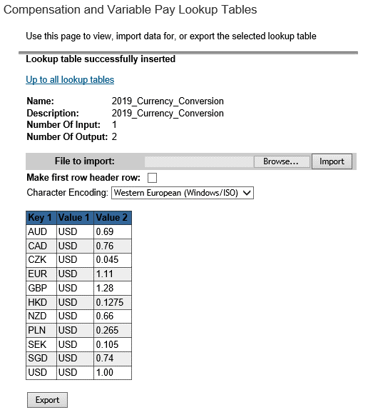
Updating Compensation and Variable Pay Lookup Tables
Follow the below instructions each year to update currency conversion rates with the applicable year's comp plan

1 | Go to Actions for All Plans>All Plans>Compensation and Variable Pay Lookup Tables
2 | To create a new table for the applicable year enter Name, Description and hit the Create button

3 | Import file. Use can use the same Currency Conversion import file template from the Currency Conversion table.
 | Click Browse to find file, then click Import to import file.

 | Ensure you are using budgeted rates from the Comp team
 | Note: If your import file does not have a header, make sure the "Make first row header row" box unchecked.

5. Merit Matrix Update
Updating Merit Matrix in Comp Module |  | FY17 Merit Matrix |  |  |  | FY17 Merit Matrix Overview
Follow the below instructions each year to update any changes with the merit matrix and associate with the applicable year's comp plan |  |  | Below or within | Top | Above range*
 |  |  | range | third |  | Based on 2 factors: 1) Rating & 2) Position in Range (Merit % varies based on these 2 factors)
1 | Go to Applicable Year's Comp Plan>Plan Setup>Plan Details>Guidelines>Merit Guidelines | N | 0 | 0 | 0 | 5 possible Ratings (N, M-, M+, E & S) which all correspond with a numerical calculated rating (i.e. M-=2.0-2.9 calculated rating value)
2 | Adjust the merit matrix for the applicable year as necessary (see FY17 merit matrix) using the below instructions | M- | 2 | 1.75 | 1.25 | Salary Range looked at in Thirds (Bottom, Middle, Top Third) and corresponds to range penetration calculation
3 | Hit the save button for all changes to update | M+ | 2.75 | 2.25 | 1.5
 |  | E | 3.25 | 2.75 | 1.75
 |  | S | 4.5 | 3.75 | 2.25
Formula Name: Named for each Rating & Position in Range Scenario
Rating: Calculated Rating Value Range for each letter rating (i.e. E= 4.0-4.9)
Ratio Range: Range Penetration Calculation which corresponds with position in range label (i.e. 0%-33% Range Penetration=Bottom Third
Merit % Range:
Complete the Low, Default & High wiith the same merit % based on the applicable year's merit matrix.
Min will be left as 0 and Max will be left as 9,999 (infinity) to accomodate for situations where increase may be removed due to eligibility or situations where merit rounds to a clean $ amount and may be slightly higher than the Merit Matrix (i.e. E & Below w/ 3.26%)

Updating/Adding/
Deleting Formulas:
Updating: To adjust any of the formulas right click the formula and adjust amounts in the popup box
Add New: Click on the Add New Formula button on the top of the matrix
Deleting: Click on the trashcan icon located to the right of the formula

6. Budget Setup
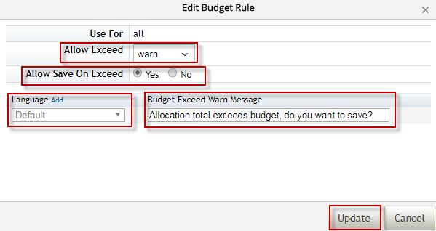
Updating Budget in Comp Module
Follow the below instructions each year to update the budget for the applicable year's comp plan

1 | Go to Plan Setup>Plan Details>Budget |  |  | l
2 | Go to Add Budget Calculation section and Edit or Add any new budget fields as necessary
 | To Add a New Column |  | To Edit a Column
 | Hit the Add Budget Calculation |  | Hit theTake Action and Edit buttons
 | Button and follow the below |  | and follow the below instructions
 | instructions

3 | When editing/adding new fields select:
 | PMode: PercentofCurSal (budget is calculated based off of active/eligible current salaries)
 | PUse For: Salary
 | PComponents: Select the appropriate box for the budget calculation
 |  | -Merit (Incl Lump Sum): Choose 2017 Annual Increase & Lump Sum for the Merit Budget (tracks total spend from these columns)
 |  | -Adjustments: Choose Adjustments for the Adjustment Budget (tracks total spend from these columns)
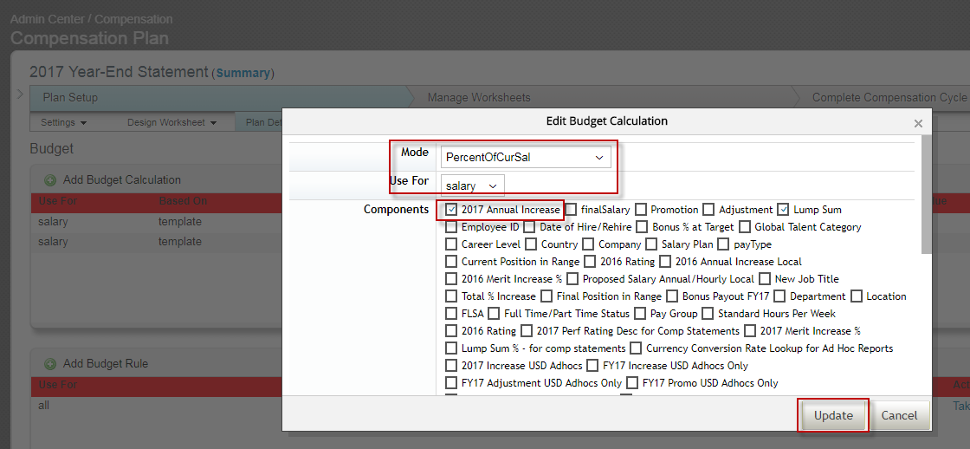

4 | Enter the Budget Value % and Based on (use template for standard budget across all plans)

5 | Select Advanced Options
 |  | PInclude Ineligible: Select No (this prevents ineligible salaries from being included in budget calculation for new hires or salary increases after 11/1)
 |  | PProrating: Select No (increases/budget not currently prorated based on hire date)
 |  | PHide Percentage: Select No (this allows the % to be visible on the budget along with $)
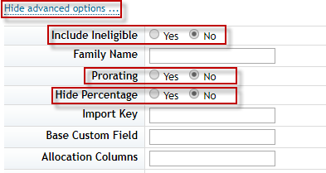

6 | Select Language as Default, assign a label to your Budget and hit the Update button

7 | Go to Add Budget Rule setup to add/edit budget rules
 | To Add a New Column |  | To Edit a Column
 | Hit the Add Budget Calculation |  | Hit theTake Action and Edit buttons
 | Button and follow the below |  | and follow the below instructions
 | instructions

8 | Adjust warning selections:
 |  | PAllow Exceed: Select Warn (this will allow a soft warning and still allow the form to be sent- can adjust the rule as needed in future)
 |  | PAllow Save on Exceed: Select Yes (this will allow entries in the plan to be saved even if budget is exceeded)
 |  | PSelect Language as Default, type in Warning Message Text and hit the Update button

7. Route Map & Inst Text
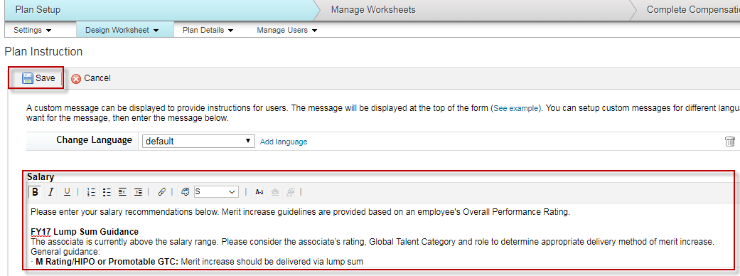
Updating the Route Map in Comp Module
Follow the below instructions each year to update the Route Map for the applicable year's comp plan.
The route map guides the process flow/due dates of the Comp Planning process.

1 | Go to Plan Setup>Settings>Approval Process>Edit Route Map
2 | Click on each step and adjust the Due Date so it reflects the applicable year's Year-End calendar dates
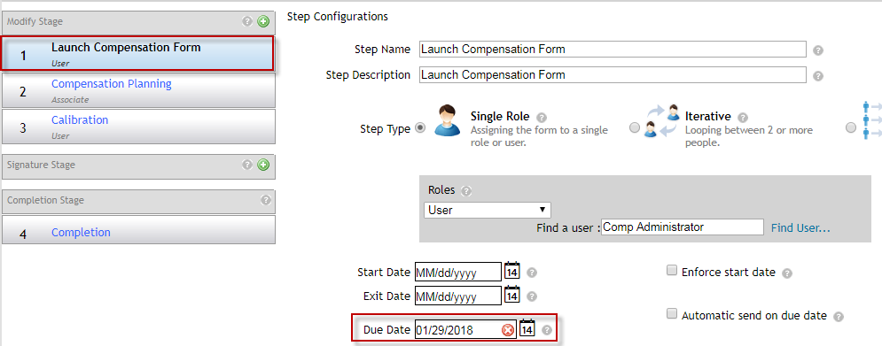

Updating the Route Map in Comp Module
Follow the below instructions each year to update the instructional text/links that appear at the top of the comp plan for the applicable year.

1 | Go to Plan Setup>Design Worksheet>Plan Instruction
2 | Enter text/hyperlinks that will appear the top of all Comp Plans and hit the Save button.

8. Setting Up Comp Planners
Setting up Comp Planners in Comp Module
Follow the below instructions each year to update Comp Planners for the applicable year's comp plan

1 | Go to Admin Center > Compensation Plan > Plan Setup > Manager Users > Define Planners
2 | Type the CEO's name under Top of Hierarchy and hit the Find button
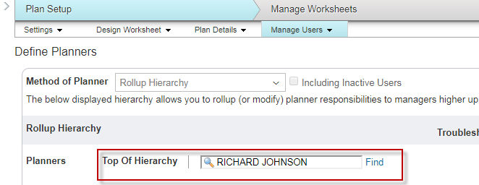

3 | Check off all Comp Planners in the hierarchy
 |  | Remember: You must uncheck direct reports of the Comp Planners that are not Comp Planners
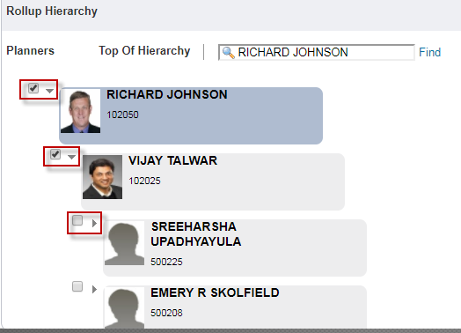

4 | You can monitor the number of Comp Planners on the righthand side of the screen
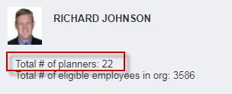

5 | Hit the Save button as your are making updates

